Hiearchy View
CLASS: GPS TRANSMITTER
positioning system based on a network of satellites that continuously transmit coded information. The information transmitted from the satellites can be interpreted by receivers to precisely identify locations on earth by measuring distances from the satellites. |  | 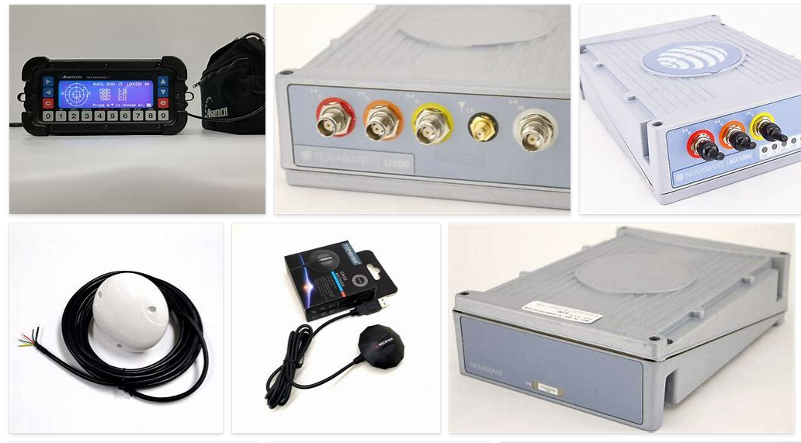
REMOVE | N

PROBLEM_DESC | CAUSE_DESC | REMEDY_DESC
ALARM/SENSOR
BROKEN/DAMAGED
OTHER PROBLEM
OVERHEATING
PESTS
POWER-ELEC
STOPPED/SLOWED/POOR OPS
TEMP-CTRL
VIBRATION
Grand Total

